Theory
Sr. No. | NOS | PC | Difficulty Level | Question | Option A | Option B | Option C | Option D | Answer | Marks
1 | FIC/N0120:Prepare and maintain work area and process machineries for production of fruit pulp | PC 4 | Moderate | 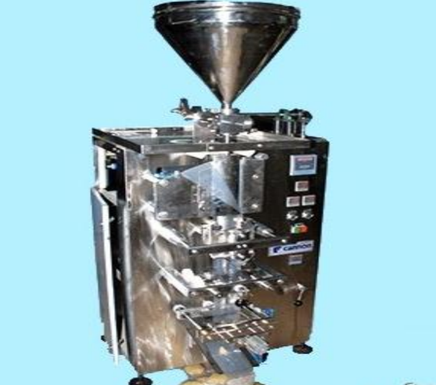 Identify the usage of the machine (shown below) in fruit pulp processing. [image:far_ficsi_fppt_s1_q1_01052019.png] | Sugar syrup transfer pump | Pulp packing machine | Fruit washing machine | Fruit crusher | B | 12
2 | FIC/N0120:Prepare and maintain work area and process machineries for production of fruit pulp | PC 3 | Easy | Which of the following colour bins should be used for collecting the wet waste as per the FSSAI guidelines for waste management? | Green | Blue | Red | Yellow | A | 12
3 | FIC/N0120:Prepare and maintain work area and process machineries for production of fruit pulp | PC 1 | Moderate | While maintaining the cleanliness of the work area, which of the following need to be considered? 1. Cleaning methodology used (CIP-Clean in Place or COP-Clean out of Place system) 2. Cleaning chemicals used 3. Total time for which the chemicals were in contact with the surface | Only 1 and 2 | Only 2 and 3 | Only 1 and 3 | All 1, 2, and 3 | D | 11
4 | FIC/N0121:Prepare for production of fruit pulp | PC 1, 3 | Difficult | 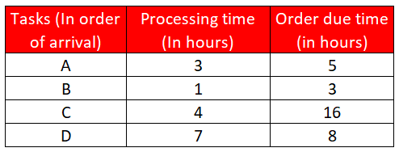 While planning and prioritizing the production sequence with the supervisor, if you are using the EDD (Earliest Due Date) methodology for scheduling the four given orders to be processed on the same machine, then what should be the correct sequence for the same? [image:far_ficsi_fppt_s1_q4_01052019.png] | B-A-C-D | A-B-C-D | B-A-D-C | C-D-A-B | C | 12
5 | FIC/N0121:Prepare for production of fruit pulp | PC 5 | Difficult | If the process loss for producing mango pulp is 35 percent, then how much mango pulp can be produced by using 200 kg of raw material (mangoes)? | 130 Kg | 165 Kg | 235 Kg | 270 Kg | A | 12
6 | FIC/N0121:Prepare for production of fruit pulp | PC 3 | Moderate | While planning the production sequence, which of the following factors should be considered? | Avoiding CIP after each product | Prioritizing urgent orders | Utilizing the maximum capacity of the machinery | All of the mentioned options | D | 11
7 | FIC/N0122:Produce fruit pulp from various fruits | PC 2 | Easy | The sorting of the fruits received from the vendors should be done on the basis of which of the following physical parameters? 1. Colour 2. Size of seeds 3. Maturity | Only 1 and 2 | Only 2 and 3 | Only 1 and 3 | All 1, 2, and 3 | C | 12
8 | FIC/N0122:Produce fruit pulp from various fruits | PC 18 | Easy | Which of the following parameters are needed to be set in a pre-cooking tank for fruit pulp? 1. Pressure 2. Temperature 3. Cooking time 4. Stirrer speed | Only 1, 2, and 4 | Only 2 and 3 | Only 2, 3, and 4 | All 1, 2, 3, and 4 | D | 12
9 | FIC/N0122:Produce fruit pulp from various fruits | PC 3, 4 | Moderate | Which of the following ripening agent is banned by the PFA (Prevention of Food Adulteration) rules? | Calcium carbide | Ethylene | Ethaphon | Ethrel | A | 11
10 | FIC/N0123:Complete documentation and record keeping related to production of fruit pulp | PC 3 | Moderate | Which of the following parameters can be identified by comparing the raw materials used with the final pulp production? | Loss in production | TAT for production | Flaws in the production process | Storage condition of raw material | A | 10
11 | FIC/N0123:Complete documentation and record keeping related to production of fruit pulp | PC 7 | Moderate | While maintaining the production records, which of the following information should be recorded? 1. Batch size 2. Production yield 3. Wastage of raw materials | Only 1 and 2 | Only 2 | Only 1 and 3 | All 1, 2, and 3 | D | 10
12 | FIC/N0123:Complete documentation and record keeping related to production of fruit pulp | PC 13 | Difficult | 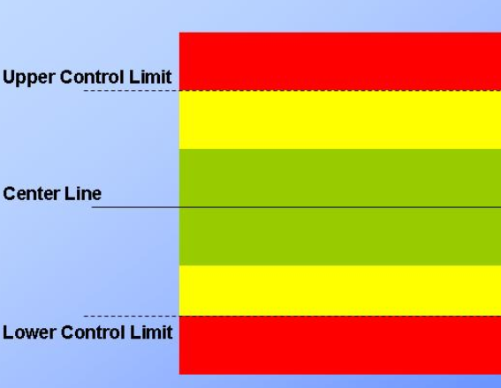 While using the control chart for identifying the variations in the production process, you will stop the production if the data is continuously coming in which of the following zone? [image:far_ficsi_fppt_s1_q12_01052019.png] | on the center line | Yellow zone | Red zone | Green zone | C | 10
13 | FIC/N0123:Complete documentation and record keeping related to production of fruit pulp | PC 1 | Easy | While preparing an internal quality analysis report of the mangoes for pulp processing, on which of the following parameters you should divide the given data? | Variety wise | Supplier wise | Grown season wise | All of the mentioned options | D | 10
14 | FIC/N0123:Complete documentation and record keeping related to production of fruit pulp | PC 13 | Difficult | Which of the following factors should be recorded while documenting the storage conditions for a processed fruit pulp? 1. Temperature 2. Humidity 3. Atmospheric pressure | Only 1 and 2 | Only 2 and 3 | Only 1 and 3 | All 1, 2, and 3 | A | 10
15 | FIC/N0123:Complete documentation and record keeping related to production of fruit pulp | PC 3 | Moderate | Which of the following are the benefits of maintaining records? 1. It helps in the retrieval of information when needed 2. It helps in the smooth running of the business 3. It helps in ensuring compliance with legal and regulatory recordkeeping requirements | Only 1 and 2 | Only 2 and 3 | Only 1 and 3 | All 1, 2, and 3 | D | 10
16 | FIC/N9001:Food safety, hygiene and sanitation for processing food products | PC 6 | Easy |  What does the following sign indicate? [image:far_ficsi_fppt_s1_q16_01052019.png] | First aid kit | Eye wash station | Assembly area | Direction of emergency exit | B | 12
17 | FIC/N9001:Food safety, hygiene and sanitation for processing food products | PC 16 | Easy | Which of the following method of stock rotation should be used in order to avoid any spoilage of the food items? | FIFO | LIFO | SPT | All of the mentioned options | A | 12
18 | FIC/N9001:Food safety, hygiene and sanitation for processing food products | PC 7 | Easy | Which of the following types of dustbin is the [b]most appropriate[/b] one for the disposal of fruit peels at the fruit processing unit? | [image:far_ficsi_fppt_s1_q18_a_01052019.png] | [image:far_ficsi_fppt_s1_q18_b_01052019.png] |  [image:far_ficsi_fppt_s1_q18_c_01052019.png] | [image:far_ficsi_fppt_s1_q18_d_01052019.png] | A | 11

