Theory
Sr. No. | NOS | PC | Difficulty Level | Question | Option A | Option B | Option C | Option D | Answer
1 | FIC/N5005:Prepare and maintain work area and machineries for producing baked products in artisan bakeries and patisseries | PC 6 | 1 | If you need a whisk, then which of the following utensils will you choose? | 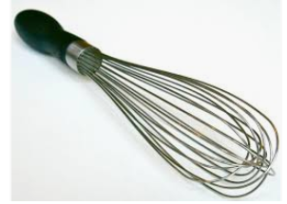 | 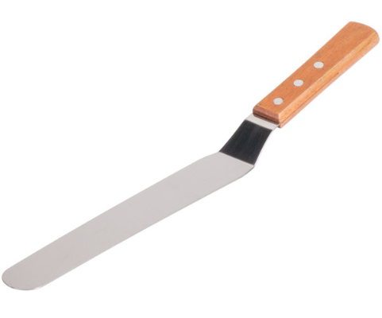 | 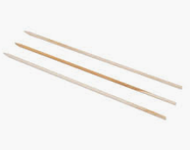 | 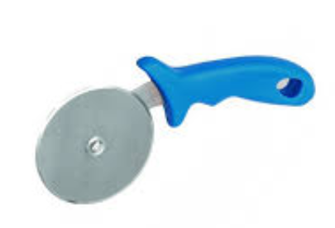 | A
2 | FIC/N5005:Prepare and maintain work area and machineries for producing baked products in artisan bakeries and patisseries | PC 5 | 1 | While performing the cleaning of an oven, which of the following should be considered? 1. Switch OFF the oven prior to cleaning 2. Apply cleaner on hot oven surface 3. Apply an even layer of oven cleaner by trigger spray/sponge | Only 1 and 2 | Only 2 and 3 | Only 1 and 3 | All 1, 2, and 3 | C
3 | FIC/N5005:Prepare and maintain work area and machineries for producing baked products in artisan bakeries and patisseries | PC 2, 5 | 3 | As per the instructions mentioned in the safety data sheet, you have to wear impervious gloves while examining the chemicals, then what should you do? | Ask your supervisor to arrange for the required gloves | Wear any random gloves | Avoid the examination of chemical | Ignore the instructions of the safety sheet | A
4 | FIC/N5006:Prepare for production of baked products in artisan bakeries and patisseries | PC 10 | 3 | While planning to utilize the available equipment for multiple products, which of the following need to be considered? 1. Grouping similar type of products together 2. Process time for obtaining each product 3. Impact of multiple products on each other | Only 1 and 2 | Only 2 and 3 | Only 1 and 3 | All 1, 2, and 3 | D
5 | FIC/N5006:Prepare for production of baked products in artisan bakeries and patisseries | PC 9 | 1 | In order to identify the batch size for performing the baking process, which of the following need to be considered? 1. Size of the production order 2. Capacity of the baking oven 3. Time required for the fermentation of dough | Only 1 and 2 | Only 2 and 3 | Only 1 and 3 | All 1, 2, and 3 | A
6 | FIC/N5006:Prepare for production of baked products in artisan bakeries and patisseries | PC 4, 5, 6 | 1 | While computing the required raw material, which of the following should be considered? | Manpower | Equipment | Process loss | Purchase date of used machinery | C
7 | FIC/N5007:Produce baked products in artisan bakeries and patisseries | PC 13 | 3 | What should be the ideal temperature for performing the pan proofing of dough? | 37 [sup]o[/sup] Celsius | 60 [sup]o[/sup] Celsius | 18 [sup]o[/sup] Celsius | 26 [sup]o[/sup] Celsius | A
8 | FIC/N5007:Produce baked products in artisan bakeries and patisseries | PC 19 | 5 | Which of the following factors plays a vital role in deciding the temperature and time required for baking a loaf? 1. Size and shape of the loaf 2. Total sugar content in the dough at the time of baking 3. Total salt content in the dough at the time of baking | Only 1 and 2 | Only 2 and 3 | Only 1 and 3 | All 1, 2, and 3 | A
9 | FIC/N5007:Produce baked products in artisan bakeries and patisseries | PC 12 | 5 | While making bread, which of the following is/are the effects of excessive humidity and high temperature in the proofing box? 1. Tough leathery crusts 2. Wrinkled surface under the top crust of the loaf 3. Holes under the top crust of the loaf | Only 1 and 2 | Only 2 and 3 | Only 1 and 3 | All 1, 2, and 3 | D
10 | FIC/N5008:Complete documentation and record keeping related to production of baked products in artisan bakeries and patisseries | PC 6 | 3 | While fermenting the dough, which of the following process parameters should [b]not[/b] be recorded ? | Temperature | Relative humidity | Crust formation time | Quantity of yeast used in the dough | C
11 | FIC/N5008:Complete documentation and record keeping related to production of baked products in artisan bakeries and patisseries | PC 8 | 5 | During the pan proofing of dough, which of the following parameters can be considered as a deviation in the process? | Temperature maintained at 37 [[sup]o[/sup] Celsius | Relative humidity maintained between 80-85% | Relative humidity maintained below 35% | All of the mentioned options | C
12 | FIC/N5008:Complete documentation and record keeping related to production of baked products in artisan bakeries and patisseries | PC 1 | 1 | While preparing the internal quality analysis report for the raw materials, which of the following should be considered? 1. Date of manufacture/receiving the material 2. Expiry Date 3. Quality parameters | Only 1 and 2 | Only 2 and 3 | Only 1 and 3 | All 1, 2, and 3 | D
13 | FIC/N5008:Complete documentation and record keeping related to production of baked products in artisan bakeries and patisseries | PC 12 | 3 | While making breads, which of the following should [b]not[/b] be recorded as a deviation in the finished product? | Dark brown colour of the crust | Unbaked loaf interior | Loose crust | Tough leathery crust | A
14 | FIC/N5008:Complete documentation and record keeping related to production of baked products in artisan bakeries and patisseries | PC 11 | 1 | Which of the following details of a production batch should be recorded? 1. Batch number 2. Batch size 3. Process loss | Only 1 and 2 | Only 1 | Only 3 | All 1, 2, and 3 | D
15 | FIC/N5008:Complete documentation and record keeping related to production of baked products in artisan bakeries and patisseries | PC 6 | 3 | While documenting the process of baking bread, which of the following parameters is recorded using the hygrometer? | Humidity | Temperature | None of the mentioned options | Pressure | A
16 | FIC/N9001:Food safety, hygiene and sanitation for processing food products | PC 2 | 1 | Which of the following types of gloves is appropriate for taking out a baked item from an oven? | 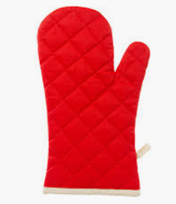 | All of the mentioned options |  | 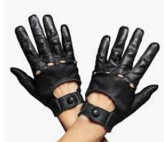 | A
17 | FIC/N9001:Food safety, hygiene and sanitation for processing food products | PC 9 | 1 | Identify the signage which can be placed near an oven for warning the individuals about hot surfaces. | 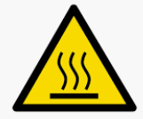 |  |  | 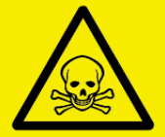 | A
18 | FIC/N9001:Food safety, hygiene and sanitation for processing food products | PC 6, 9 | 1 | Which of the following will assist in controlling a fire hazard? | Fire extinguisher | First aid kit | Reflective Vest | Safety gloves | A

